1. Title Page
Instacart Grocery Basket Analysis

Project Name: Instacart Grocery Basket Analysis
Date: July 2023
Analyst Name: James Talbot

Contents:
Population Flow
Wrangling steps
Consistency checks
Column derivations
Recomendations & Visualizations

2. Population Flow
Title page

Population flow

Exclusion flag
high_activity_users
Condition: max_order < 5
Obervations to be removed: 1,441,497
Final total count of
high_activity_users: 30,991,533

Orders_products_combined
Orders_products_merged
instacart_wrangled

Total: 32,433,030
Total: 32,434,489
Total: 32,433,030

3. Wrangling steps
 |  |  |  |  |  | Title page
Wrangling steps

Dataset | Columns dropped | Columns renamed | Columns' type changed | Other | Comment/Reason
orders | - | orders_dow → orders_day_of_week | - | - | more intuitive for others reading subsequent code
 | - | - | order_id: integer → string | - | order_id represents a name and we would not calculate any statistics on this column
 | - | - | user_id: integer → string | - | user_id represents a name and we would not calculate any statistics on this column
 | eval_set | - | - | - | check with client, column not relevant to analysis
products | - | - | product_id: integer → string | - | product_idrepresents a name and we would not calculate any statistics on this column
 | - | - | aisle_id: integer → string | - | aisle_id represents a name and we would not calculate any statistics on this column
 | - | - | department_id: integer → string | - | department_id represents a name and we would not calculate any statistics on this column
department | - | - | - | transposed | so that it fits python dataframe format
customers | First Name | Gender→ sex | user_id: integer → string | - | consistent upper/lower case formatting
 | Surnam | STATE → state | - | - | consistent upper/lower case formatting
 | - | Age → age | - | - | consistent upper/lower case formatting
 | - | fam_status → family_status | - | - | more intuitive for others reading subsequent code
 | - | n_dependants → n_dependents | - | - | misspelling correction

4. Consistency checks
 |  |  |  |  |  | Title page
Consistency checks

Dataset | Inaccurate values | Inaccuracy treatment | Missing values | Missing values treatment | Duplicates
orders | none | n/a | none | n/a | none
products | product_id 21538 (cheese) and 33664 (milk) are priced at 14900 and 99999 | imputed the mean price of their deparment | 16 missing product_names | requested information from client to be added to dataframe | 5 duplicate rows removed
orders_products_prior | none | n/a | 206209 missing values from days_since_prior_order column | client confirmed that missing values indicate the the first order for the customer. TRUE/FALSE first_order flag column created to flag these null entries. Null entries left unchanged | none
customers | none | n/a | none | n/a | none
department | 'dairy eggs' renamed to 'dairy' 'dry goods pasta' renamed to 'dry goods' | 'dairy eggs' renamed to 'dairy' 'dry goods pasta' renamed to 'dry goods' | none | n/a | none
customers | none | n/a | none | n/a | none

5. Column derivations
 |  |  |  | Title page

Column derivations and aggregations

Dataset | New column | Column/s it was derived from | Conditions
orders_products_merged | price_range_loc | prices | prices below 5 → high-range product prices 5-15 → mid-range product prices above 15 → low-range product
 | busiest_day | order_day_of_week | days with lowest unique order count → Least busy days with greatest unique order count → Busiest day otherwise → Regularly busy
 | busiest_days | order_day_of_week | 2 days with lowest unique order count → Slowest days 2 days with greatest unique order count → Busiest days otherwise → Regularly busy
 | busiest_period_of_day | order_hour_of_day | 6 hours with lowest unique order count → Fewest orders 6 hours with greatest unique order count → Most orders otherwise → Average orders
 | loyalty_flag | order_id | unique order_id count below 10 → new unique order_id count above 40 → loyal otherwise → regular
instacart_wrangled | activity_status (exclusion flag) | number_of_orders | number_of_orders below 5 → low number_of_orders above 4 → high
high_activity_customers | age_flag | age | age below 36 → young_adult age above 64 → senior otherwise → adult
 | income_flag | income | income below 67,006 → low income above 127,914 → high otherwise → medium
 | regularity_flag | order_day_of_week average_percentage | average_percentage below 33.3% → irregular average_percentage above 33.3% → regular
 | groceries_flag | department_id diversity_count | produce is in top 3 department count AND snacks is not → healthy snacks is in top 3 department count AND produce is not → junk for remaining nulls, if diversity_count is below 6 → non-diverse for remaining nulls, if diversity_count is above 18 → diverse (nulls remain for non-classified types)
 | spending_flag | prices weekly_spending | weekly_spending below 24.827134 → low weekly_spending above 70.217284 → high otherwise → medium
 | has_dependents | n_dependents | n_dependents is 0 → False otherwise → True
 | profile | combinations of other flag columns | see section 6.7 for details

6. Recommendations & Visualizat
 |  | Title page

Visualisations

Business Question | Visualizations
What is the general, overall spending? | 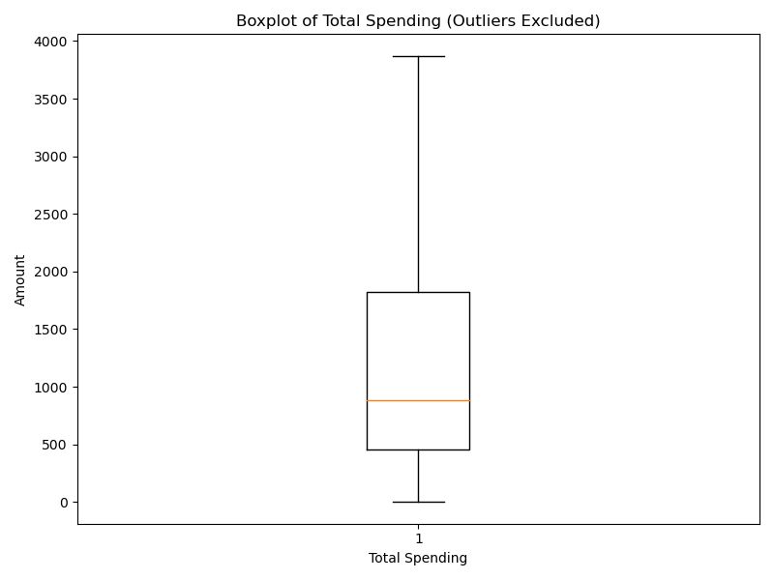 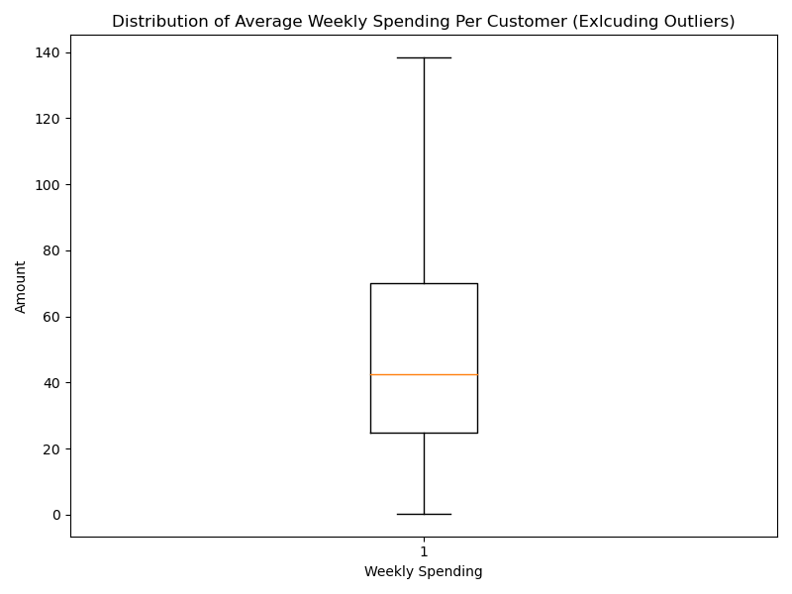 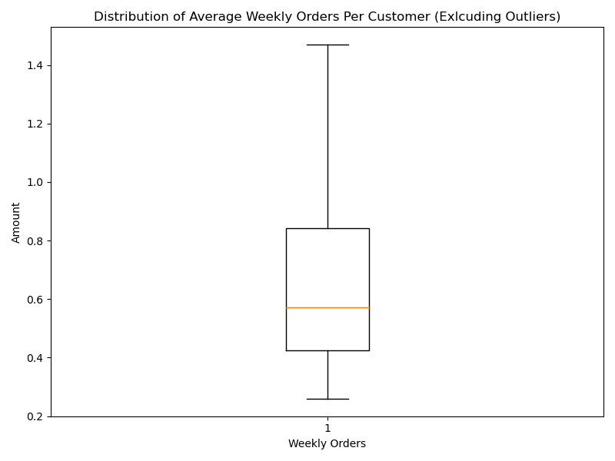
Analysis
Total Spending Per Customer Minimum: 5.00 Mean: 1483.35 Max: 26,394.90 Average Weekly Spending Per Customer Minimum: 0.37 Mean: 54.89 Max: 2761.94 Average Orders Per Week Per Customer Minimum: 0.26 Mean: 0.71 Max: 42 The greatest income is from the South, followed by the West and Midwest (with similar income) and the Northeast with lowest income. This follows the general US population trends by region. See section 7.2.2 of the script for more details.
Recommendation

Business Question | Visualizations
What are the busiest days of the week and hours of the day? | 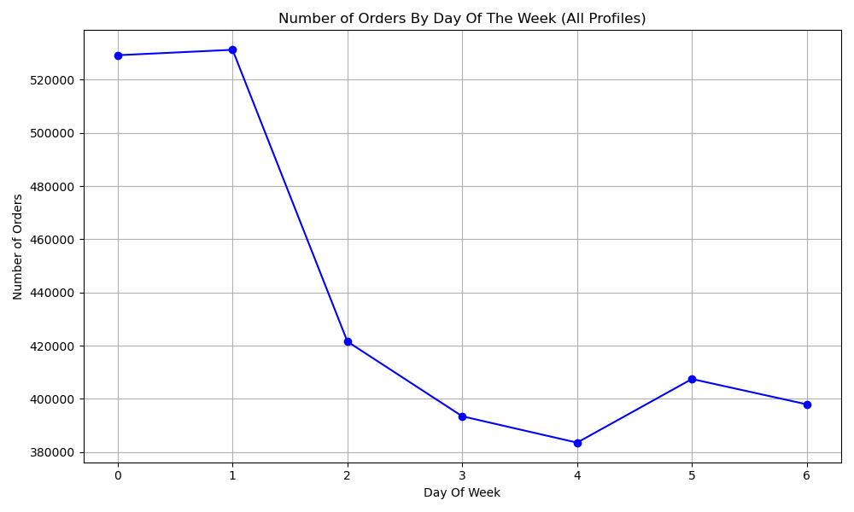 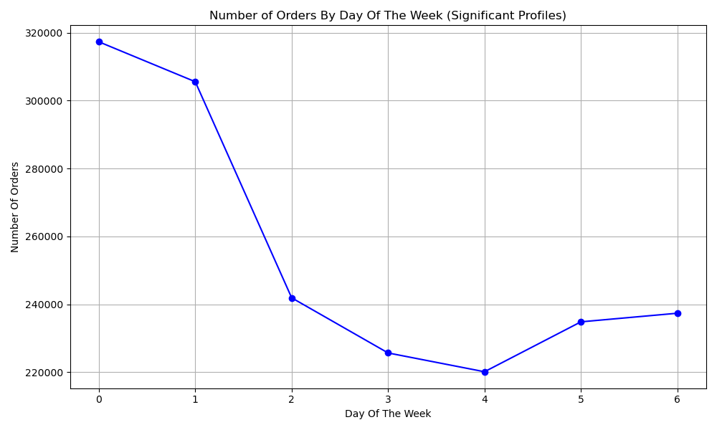 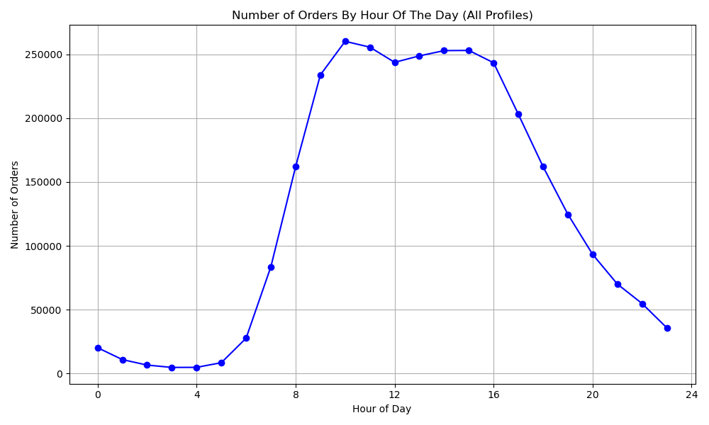 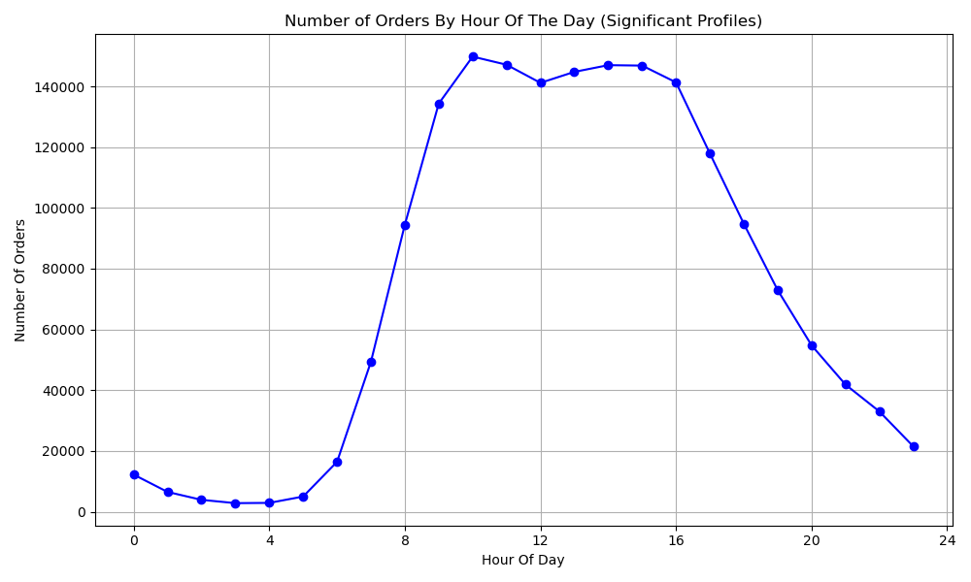
Analysis
The busiest days of the week for orders are Saturday and Sunday. There are much fewer orders during the week. The busiest hours of the day are between 9.00-16.00. Orders grow until around 10.00, dip slightly at 12.00 (presumably when users have lunch), rise slightly again until 14.00 and begins to decline thereafter. Essentially it demonstrates a bell curve, but with the expected peak truncated somewhat for lunch at 12-13.00. There is no significant difference when filtering profiles, except for there are slightly fewer orders on a Sunday from the significant profiles. See sections 8.1 and 8.2 of the script for more detail.
Recommendation
Advertise most heavily between the hours of 9.00-16.00, aiming mostly at the significant profiles (Families, Healthy Families and Professionals).

Business Question | Visualizations
What types of customer profiles does Instacart have? | 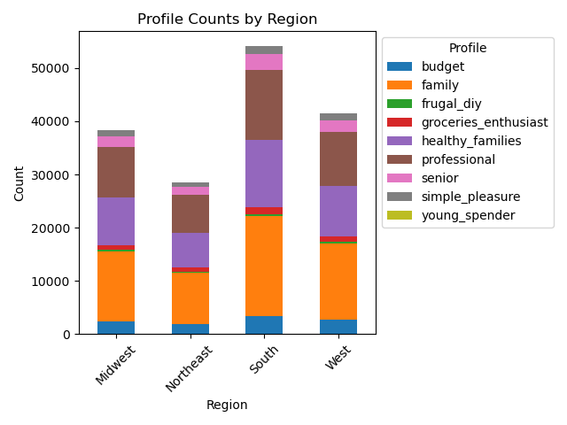 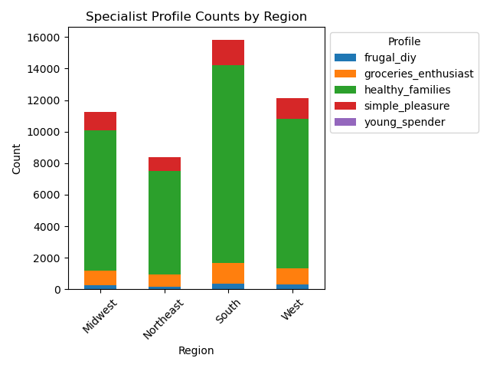
Analysis
Customers have been profiled as one of the following and so that no one customer has more than one profile type: Specialist profiles Health Families Grocery Enthusiasts Simple Pleasures Young Spender Frugal DIY Non-Specialist profiles Professional Family Budget Senior The vast majority of customers can be profiled as Families, Healthy Families and Professionals. These profile were henceforth referred to as "significant profiles" in the analysis. The distribution of customer profiles across different regions is much the same and there are more of each in the South and less in the Northeast. This is not unusual and meets expectations, as it follows the general US population distribution by region. See section 6.7 of the script for more details.
Recommendation
Prioritise marketing for departments and products that are popular with families, healthy families and professionals.

Business Question | Visualizations
Are there certain types of products that are more popular than others? | 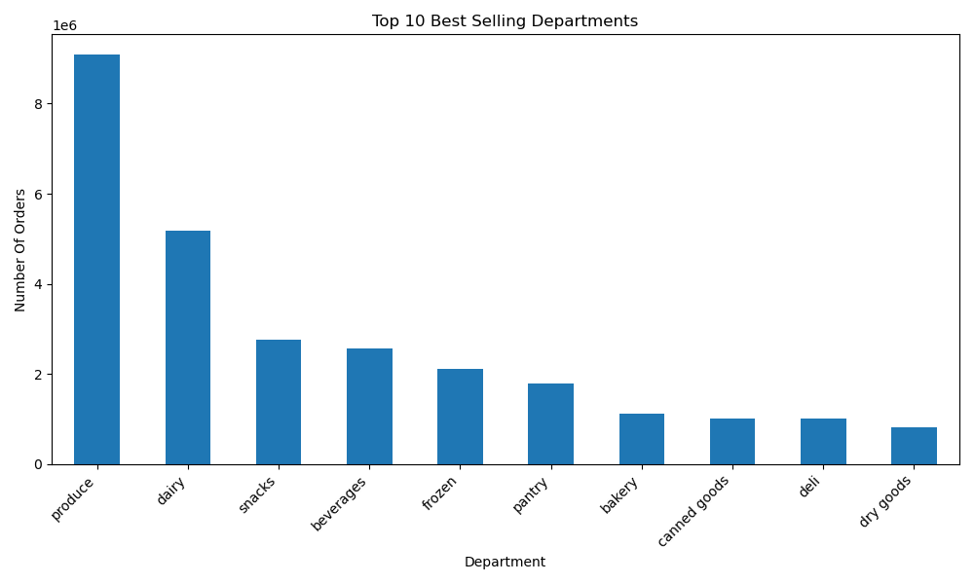 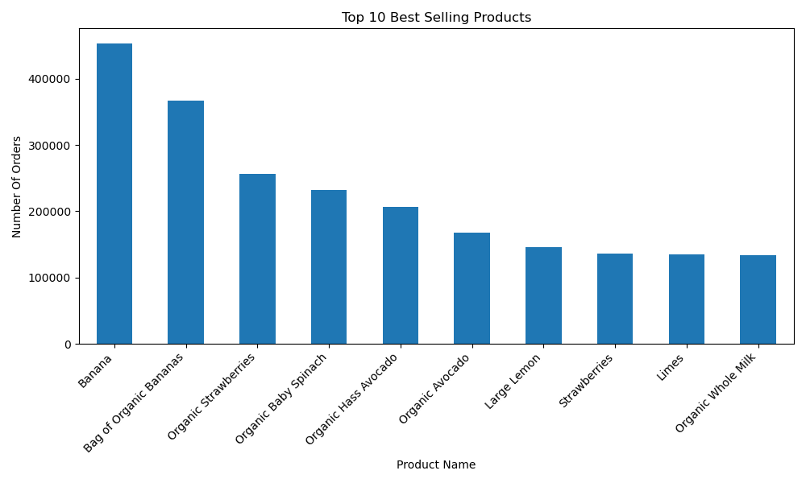
Analysis
The standout, best selling product departments are produce and dairy, followed by snacks and beverages. This indicates a general profile for Instacart customers of healthy shopping and eating, which correlates with the Healthy Families profile being one of the most significant profiles. The spending habits across regions are not different, that is each region has the same distribution of sales by department. Raw sales are different, but this is accounted for by differing amounts of customers per region, following the population distribution of the US. Of the 10 best selling products, 9 are produce (mostly fruit) and 1 is a dairy product. See section 8.3 for more details.
Recommendation
invest more marketing budget into produce, dairy, snacks and beverages.

Business Question | Visualizations
Customer behaviour: how frequently do customers return on average? | 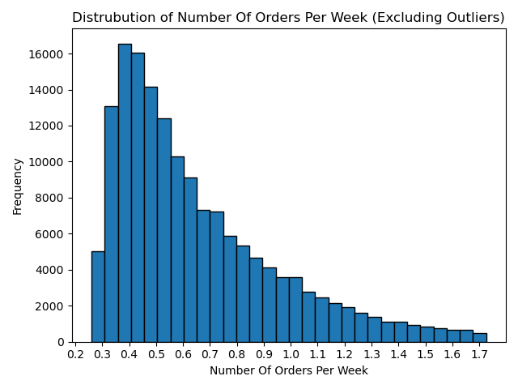 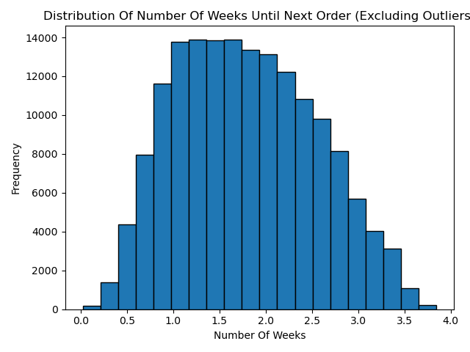
Analysis
As per the requirements of the project, all customers with fewer than 5 orders were excluded from the analysis. There are two ways here to consider usage frequency. By considering the number of orders that users make per week: The mean number of orders made per week is 0.7. There are very few users who make fewer orders than this and the number of users who make more orders than this gradually decline to about 1.7 orders per week. By considering the number of weeks until users make their next order: On average, users make their next order after 1.75 weeks and the majority of users make their next order within 1-2.5 weeks. See section 8.4 of the script for more details
Recommendation
Provide incentive for more frequent returns, for example through a loyalty reward programme, where a customer gets a discount on their next order, if they make an order within a specified amount of time and above a certain price threshold.

Business Question | Visualizations
Customer behaviour: are there differences in ordering habits based on a customer’s region? | 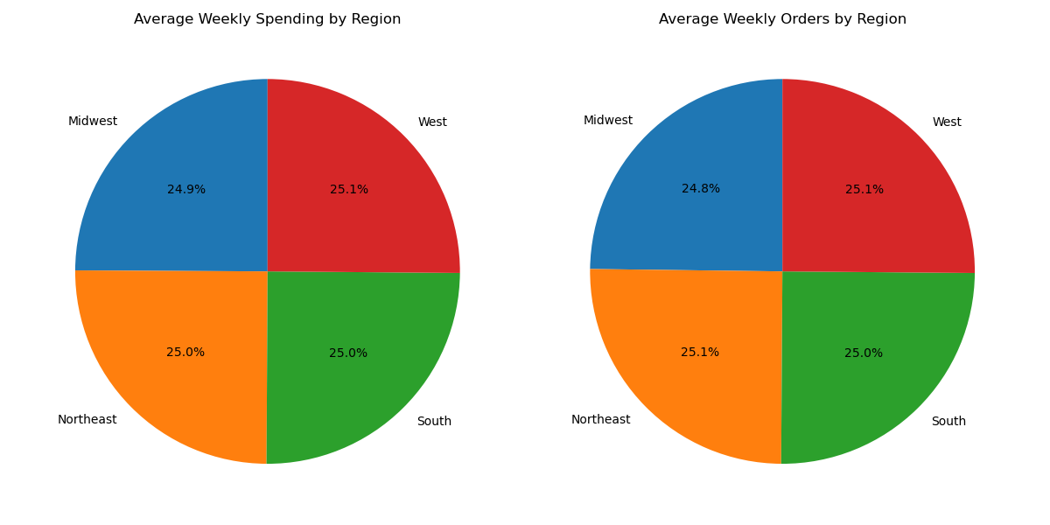 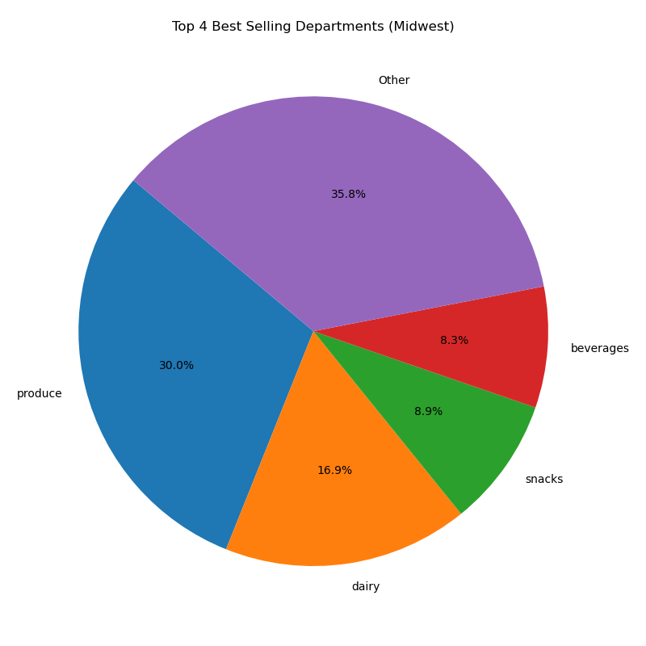   
Analysis
The pie charts on department sales show that there are no regional differences. The pie charts show that proportionally the regional, average weekly spending and weekly number of orders are near identical. The t-tests confirm that they are not statistically, significantly different. There is no significant regional difference in spending habits. See section 8.6 of the script for more details.
Recommendation
Take no action based on region alone.

Business Question | Visualizations
Customer behaviour: are there differences in ordering habits based on a customer’s age and family status? | 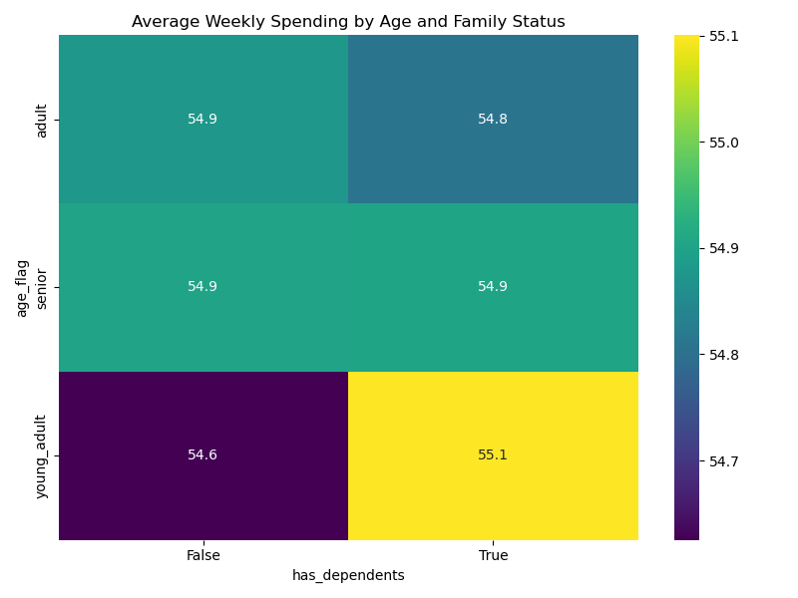 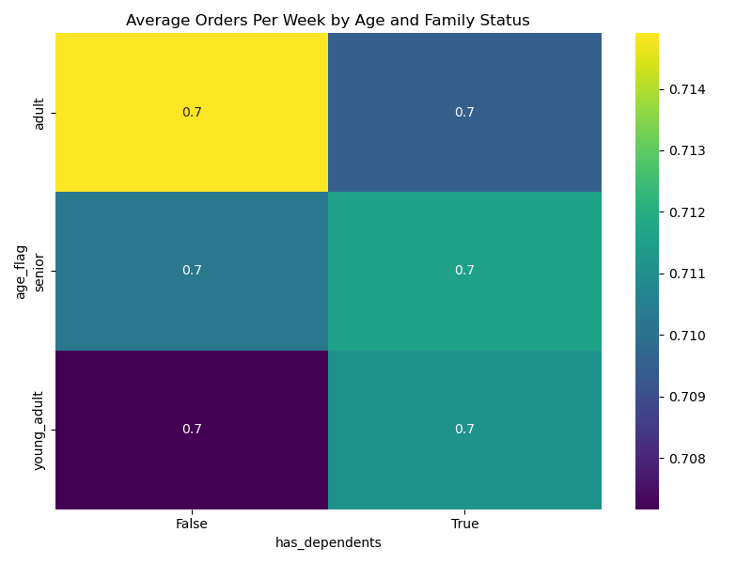
Analysis
Analysis on average number of orders per week and weekly spending by age group and whether the user has dependents showed that: there are no significant differences in spending habits age and family status. T-tests confirmed that the averages of each group were not statistically, significantly different. Age and family status has no effect on spending habits. See section 8.7 of the script for more details.
Recommendation
Take no action based on age and family status alone.

